Damage #___ Photo Page
Instructions: For each damage line item, provide photos with a detailed description in the boxes below. Use additional photo pages as needed.

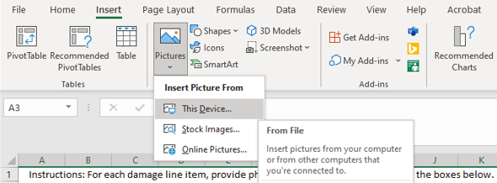 To insert PDA photos, navigate to the "Insert" tab shown below, click on " Pictures" and hover to "This Device". Then navigate to where your photos are located, select and insert and drag into the appropriate box.
Damage Intake # and Name _____________________________ Site # _______

 | 

Photo 1 Description | Photo 2 Description

Photo 3 Description | Photo 4 Description

Damage Intake # and Name _____________________________ Site # _______
***When adding photos, please clearly describe the image in the text boxes below each.

Photo 1 Description | Photo 2 Description

Photo 3 Description | Photo 4 Description

Damage Intake # and Name _____________________________ Site # _______
***When adding photos, please clearly describe the image in the text boxes below each.

Photo 1 Description | Photo 2 Description

Photo 3 Description | Photo 4 Description

Damage Intake # and Name _____________________________ Site # _______
***When adding photos, please clearly describe the image in the text boxes below each.

Photo 1 Description | Photo 2 Description

Photo 3 Description | Photo 4 Description

Damage Intake # and Name _____________________________ Site # _______
***When adding photos, please clearly describe the image in the text boxes below each.

Photo 1 Description | Photo 2 Description

Photo 3 Description | Photo 4 Description

